M04
Speaker: M04 | Intelligibility: Very Low | Speech Vision Accuracy: 10.94

Model Name | Layers Frozen | Accuracy | Loss graph | Training accuracy graph
M04_E1.h5 | Encoder 1 | 7 | 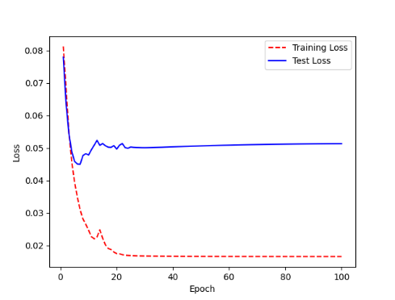 | 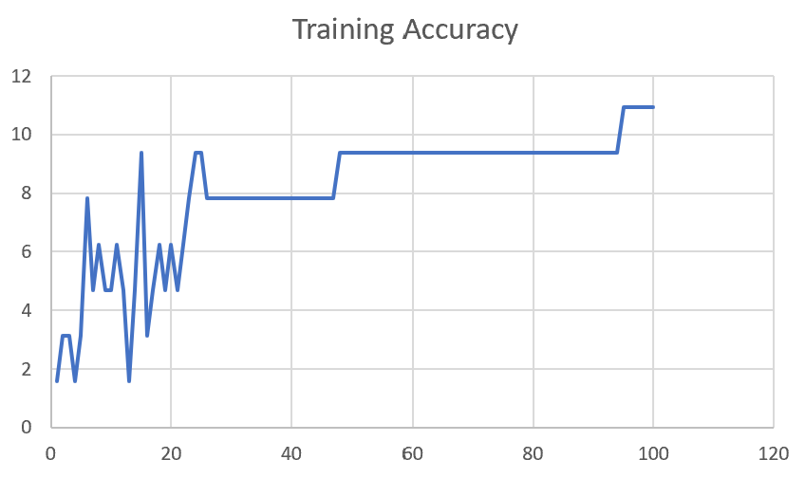

M04_E12.h5 | Encoder 12 | 5 | 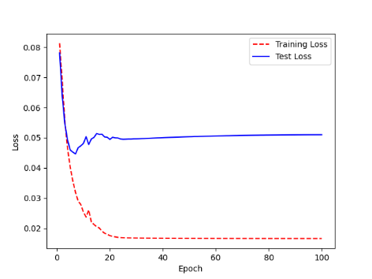 | 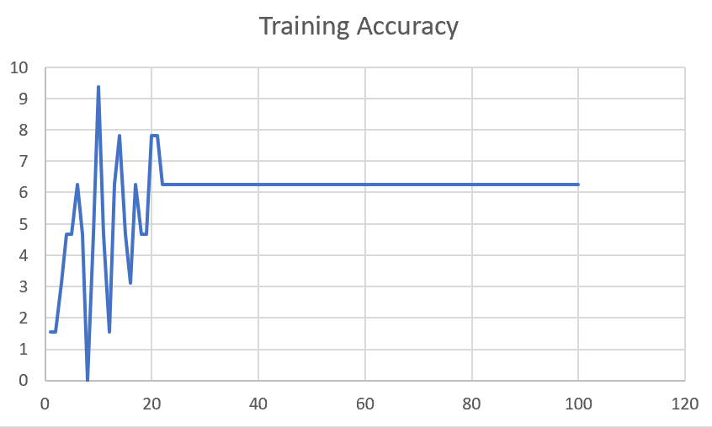

M04_E123 | Encoder 123 | 7 | 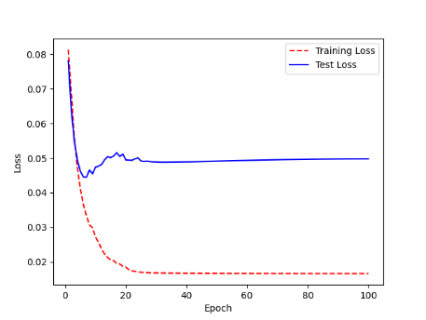 | 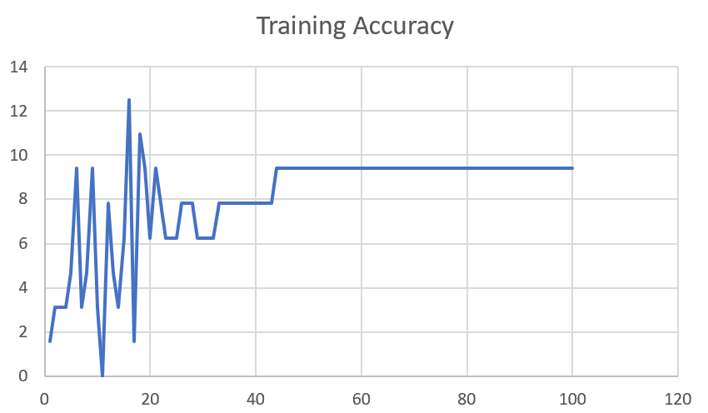

M04_E1234 | Encode 1234 | 6 |  | 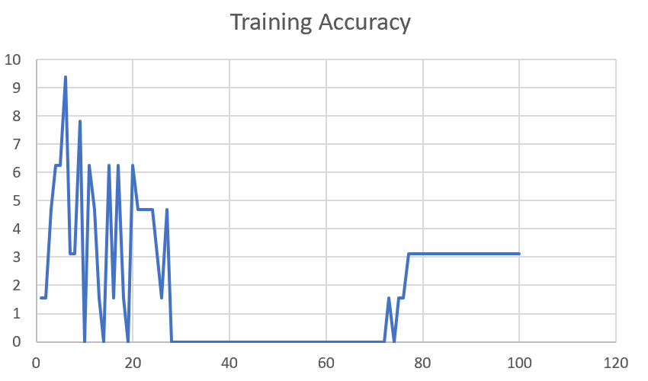

M04_E12345 | Encode 12345 | 6 | 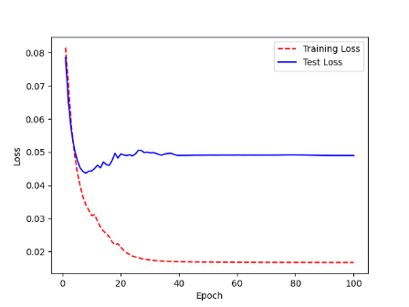 | 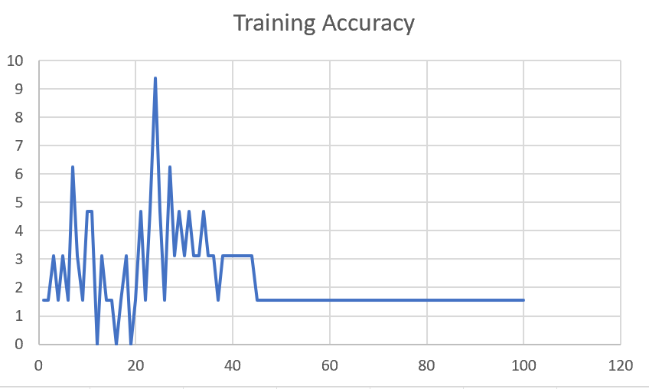

M04_TE | Token Embeddings | 7 | 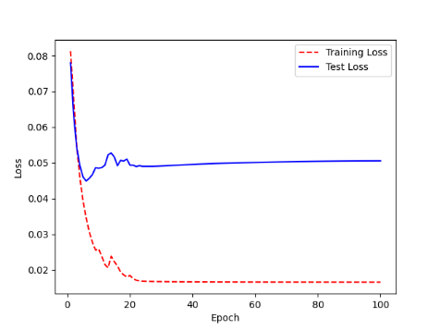 | 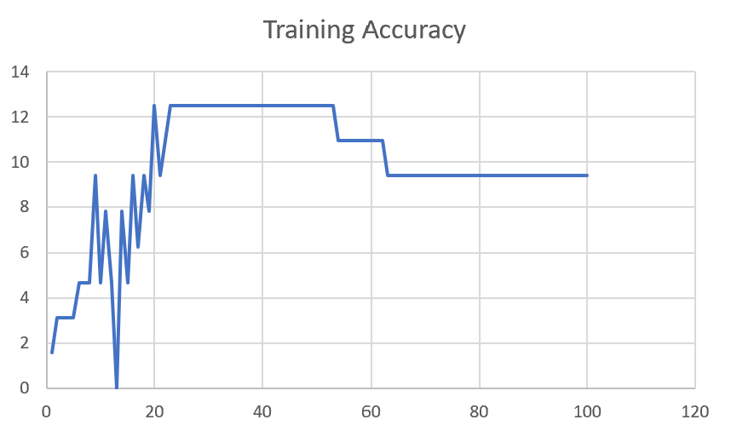

M04_T3+D123 | Token Embeddings + Decoder 1 | 6 | 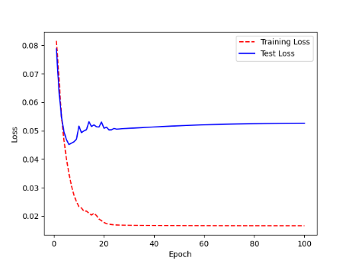 | 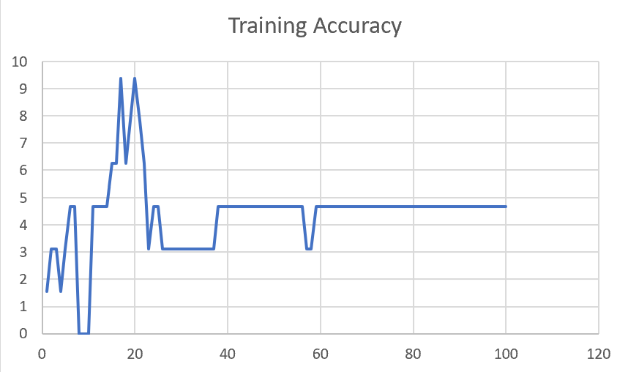

M04_T3+D12 | Token Embeddings + Decoder 12

M04_T3+D1 | Token Embeddings + Decoder 123

F02
Speaker: F02 | Intelligibility: Low | Speech Vision Accuracy: 67.02

Model Name | Layers Frozen | Accuracy | Loss graph | Training accuracy graph
F03_E1.h5 | Encoder 1 | 47 |  | 

F03_E12.h5 | Encoder 12 | 45 |  | 

F03_E123 | Encoder 123 | 47 |  | 

F03_E1234 | Encode 1234 | 43 |  | 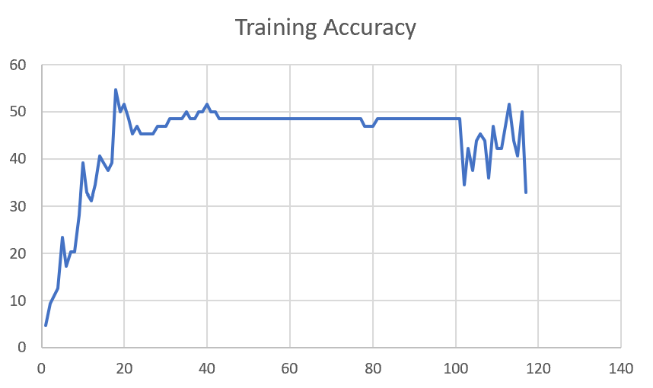

F03_E12345 | Encode 12345 | 41 | 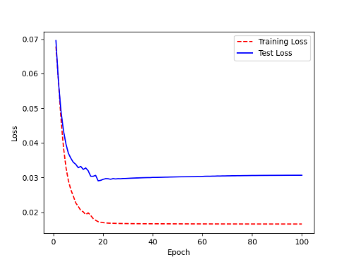 | 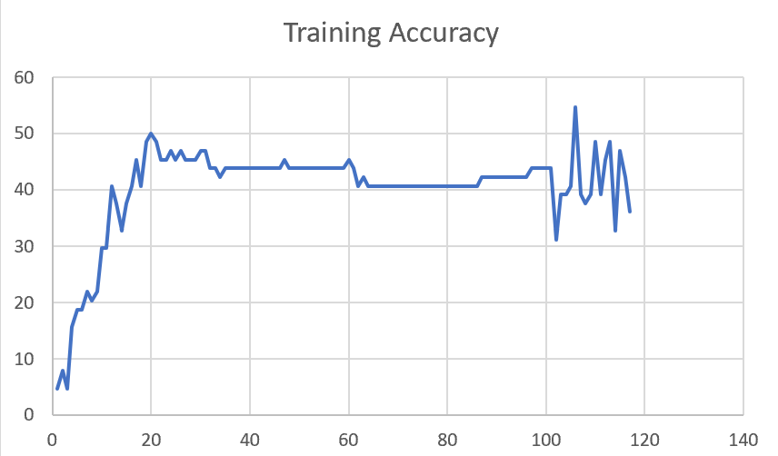

F03_t3 | Token Embeddings | 52 | 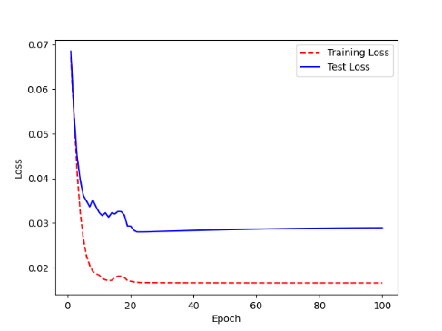 | 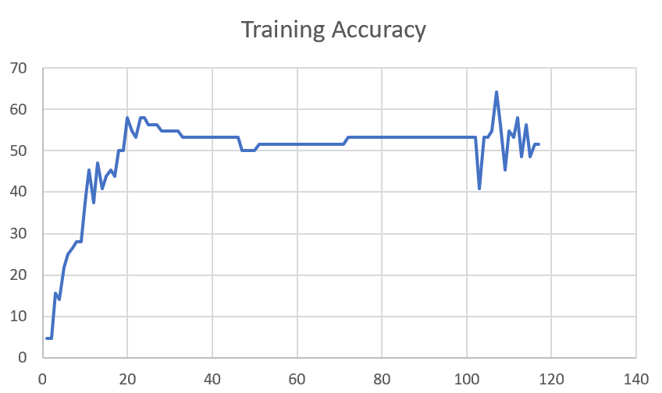

F03_T3+D123 | Token Embeddings + Decoder 123 | 45 | 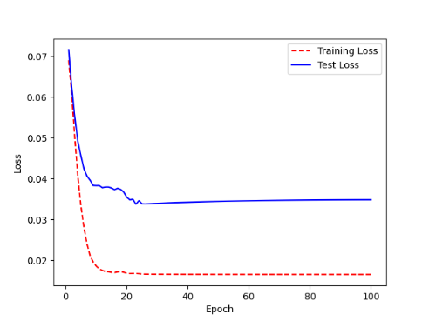 | 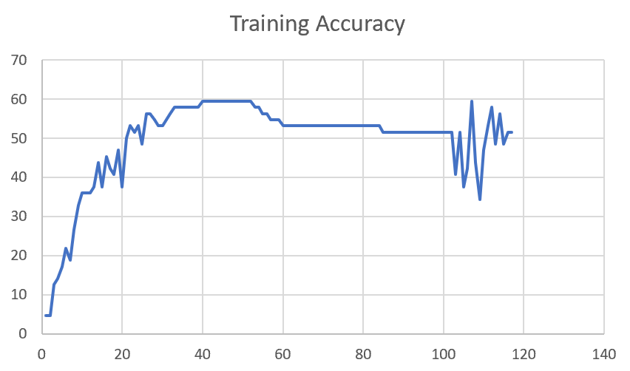

F03_T3+D12 | Token Embeddings + Decoder 12 | 50 | 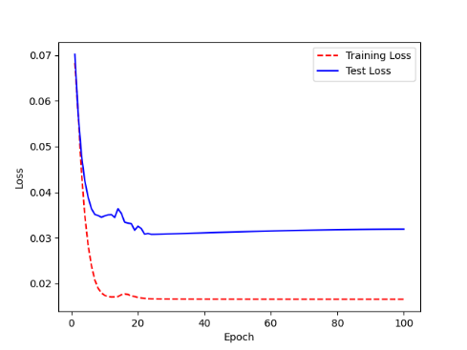 | 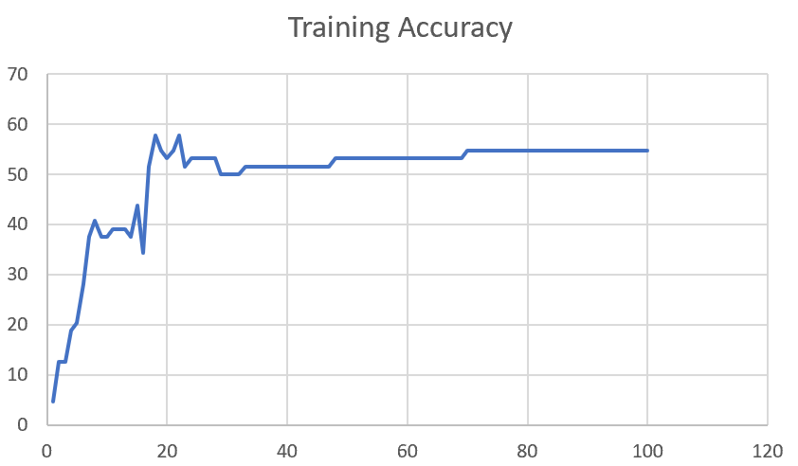

F03_T3+D1 | Token Embeddings + Decoder 1 | 50 | 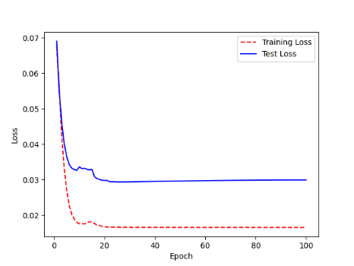 | 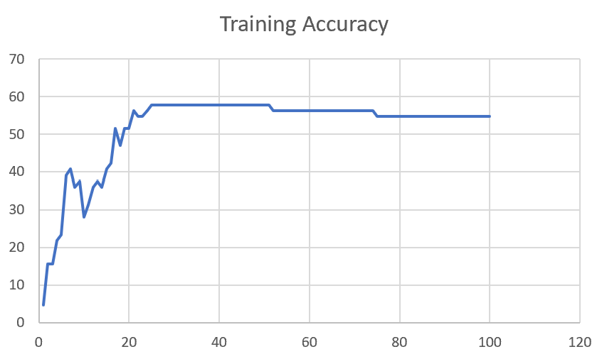

Sheet1
 |  |  | Training Accuracy
0 | 0.984375 | 1 | 1.5625
1 | 0.96875 | 2 | 3.125
2 | 0.96875 | 3 | 3.125
3 | 0.984375 | 4 | 1.5625
4 | 0.96875 | 5 | 3.125
5 | 0.953125 | 6 | 4.6875
6 | 0.953125 | 7 | 4.6875
7 | 1 | 8 | 0
8 | 1 | 9 | 0
9 | 1 | 10 | 0
10 | 0.953125 | 11 | 4.6875
11 | 0.953125 | 12 | 4.6875
12 | 0.953125 | 13 | 4.6875
13 | 0.953125 | 14 | 4.6875
14 | 0.9375 | 15 | 6.25
15 | 0.9375 | 16 | 6.25
16 | 0.90625 | 17 | 9.375
17 | 0.9375 | 18 | 6.25
18 | 0.921875 | 19 | 7.8125
19 | 0.90625 | 20 | 9.375
20 | 0.921875 | 21 | 7.8125
21 | 0.9375 | 22 | 6.25
22 | 0.96875 | 23 | 3.125
23 | 0.953125 | 24 | 4.6875
24 | 0.953125 | 25 | 4.6875
25 | 0.96875 | 26 | 3.125
26 | 0.96875 | 27 | 3.125
27 | 0.96875 | 28 | 3.125
28 | 0.96875 | 29 | 3.125
29 | 0.96875 | 30 | 3.125
30 | 0.96875 | 31 | 3.125
31 | 0.96875 | 32 | 3.125
32 | 0.96875 | 33 | 3.125
33 | 0.96875 | 34 | 3.125
34 | 0.96875 | 35 | 3.125
35 | 0.96875 | 36 | 3.125
36 | 0.96875 | 37 | 3.125
37 | 0.953125 | 38 | 4.6875
38 | 0.953125 | 39 | 4.6875
39 | 0.953125 | 40 | 4.6875
40 | 0.953125 | 41 | 4.6875
41 | 0.953125 | 42 | 4.6875
42 | 0.953125 | 43 | 4.6875
43 | 0.953125 | 44 | 4.6875
44 | 0.953125 | 45 | 4.6875
45 | 0.953125 | 46 | 4.6875
46 | 0.953125 | 47 | 4.6875
47 | 0.953125 | 48 | 4.6875
48 | 0.953125 | 49 | 4.6875
49 | 0.953125 | 50 | 4.6875
50 | 0.953125 | 51 | 4.6875
51 | 0.953125 | 52 | 4.6875
52 | 0.953125 | 53 | 4.6875
53 | 0.953125 | 54 | 4.6875
54 | 0.953125 | 55 | 4.6875
55 | 0.953125 | 56 | 4.6875
56 | 0.96875 | 57 | 3.125
57 | 0.96875 | 58 | 3.125
58 | 0.953125 | 59 | 4.6875
59 | 0.953125 | 60 | 4.6875
60 | 0.953125 | 61 | 4.6875
61 | 0.953125 | 62 | 4.6875
62 | 0.953125 | 63 | 4.6875
63 | 0.953125 | 64 | 4.6875
64 | 0.953125 | 65 | 4.6875
65 | 0.953125 | 66 | 4.6875
66 | 0.953125 | 67 | 4.6875
67 | 0.953125 | 68 | 4.6875
68 | 0.953125 | 69 | 4.6875
69 | 0.953125 | 70 | 4.6875
70 | 0.953125 | 71 | 4.6875
71 | 0.953125 | 72 | 4.6875
72 | 0.953125 | 73 | 4.6875
73 | 0.953125 | 74 | 4.6875
74 | 0.953125 | 75 | 4.6875
75 | 0.953125 | 76 | 4.6875
76 | 0.953125 | 77 | 4.6875
77 | 0.953125 | 78 | 4.6875
78 | 0.953125 | 79 | 4.6875
79 | 0.953125 | 80 | 4.6875
80 | 0.953125 | 81 | 4.6875
81 | 0.953125 | 82 | 4.6875
82 | 0.953125 | 83 | 4.6875
83 | 0.953125 | 84 | 4.6875
84 | 0.953125 | 85 | 4.6875
85 | 0.953125 | 86 | 4.6875
86 | 0.953125 | 87 | 4.6875
87 | 0.953125 | 88 | 4.6875
88 | 0.953125 | 89 | 4.6875
89 | 0.953125 | 90 | 4.6875
90 | 0.953125 | 91 | 4.6875
91 | 0.953125 | 92 | 4.6875
92 | 0.953125 | 93 | 4.6875
93 | 0.953125 | 94 | 4.6875
94 | 0.953125 | 95 | 4.6875
95 | 0.953125 | 96 | 4.6875
96 | 0.953125 | 97 | 4.6875
97 | 0.953125 | 98 | 4.6875
98 | 0.953125 | 99 | 4.6875
99 | 0.953125 | 100 | 4.6875
<__main__.DisplayOutputs object at 0x7f06c60186d0> | 0.953125 | #VALUE! | 4.6875
<__main__.DisplayOutputs object at 0x7f06c60186d0> | 0.875 | #VALUE! | 12.5
<__main__.DisplayOutputs object at 0x7f06c60186d0> | 0.953125 | #VALUE! | 4.6875
<__main__.DisplayOutputs object at 0x7f06c60186d0> | 0.921875 | #VALUE! | 7.8125
<__main__.DisplayOutputs object at 0x7f06c60186d0> | 0.953125 | #VALUE! | 4.6875
<__main__.DisplayOutputs object at 0x7f06c60186d0> | 0.921875 | #VALUE! | 7.8125
<__main__.DisplayOutputs object at 0x7f06c60186d0> | 0.90625 | #VALUE! | 9.375
<__main__.DisplayOutputs object at 0x7f06c60186d0> | 0.921875 | #VALUE! | 7.8125
<__main__.DisplayOutputs object at 0x7f06c60186d0> | 0.984375 | #VALUE! | 1.5625
<__main__.DisplayOutputs object at 0x7f06c60186d0> | 0.921875 | #VALUE! | 7.8125
<__main__.DisplayOutputs object at 0x7f06c60186d0> | 0.953125 | #VALUE! | 4.6875
<__main__.DisplayOutputs object at 0x7f06c60186d0> | 0.984375 | #VALUE! | 1.5625
<__main__.DisplayOutputs object at 0x7f06c60186d0> | 1 | #VALUE! | 0
<__main__.DisplayOutputs object at 0x7fba881604f0> | 0.53125 | #VALUE! | 46.875
<__main__.DisplayOutputs object at 0x7fba881604f0> | 0.46875 | #VALUE! | 53.125
<__main__.DisplayOutputs object at 0x7fba881604f0> | 0.453125 | #VALUE! | 54.6875
<__main__.DisplayOutputs object at 0x7fba881604f0> | 0.5737704918 | #VALUE! | 42.62295082
<__main__.DisplayOutputs object at 0x7eff3012ee50> | 0.55737704918

